Sheet1
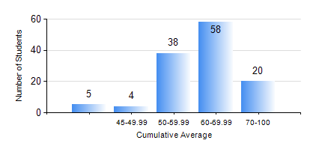
 |  |  | KWAME NKRUMAH UNIVERSITY OF SCIENCE AND TECHNOLOGY, KUMASI Department of Materials Engineering

 |  |  | BSC. MATERIALS ENG.

 |  |  | COMPREHENSIVE RECORD OF EXAMINATION RESULTS

 |  |  | RESULTS OF YEAR 4 SECOND SEMESTER, 2022/2023 ACADEMIC YEAR

 | Sn | Course Code |  | Course Name | Credit Hours | Min. Mark | Max. Mark | Avg. Mark | Std. Dev. | No. Passed | No. Trailed | No. (Df) | No. (I) | No. (I*) | No. Tagged(I,I*,Df) | Total
 | 0. |  |  |  |  |  |  | 0 | 0 | 0 | 0 | 0 | 0 | 0 | 0 | 1
 | 1. | ME 492 |  | MANAGEMENT AND ENTREPRENEURSHIP DEVELOPMENT | 2 | 40 | 72 | 58 | 7.16 | 124 | 0 | 0 | 0 | 0 | 0 | 124
 | 2. | MSE 260 |  | PHASE TRANSFORMATIONS | 2 | 18 | 65 | 39 | 17.53 | 4 | 3 | 0 | 0 | 0 | 0 | 7
 | 3. | MSE 452 |  | WASTE MANAGEMENT | 3 | 43 | 82 | 63 | 8.75 | 124 | 0 | 0 | 0 | 0 | 0 | 124
 | 4. | MSE 454 |  | SURFACE TREATMENT OF MATERIALS | 3 | 28 | 84 | 59 | 11.51 | 122 | 1 | 0 | 1 | 0 | 1 | 124
 | 5. | MSE 456 |  | MATERIALS QUALITY CONTROL, ASSURRANCE AND SELECTION | 3 | 35 | 79 | 58 | 9.65 | 123 | 1 | 0 | 0 | 0 | 0 | 124
 | 6. | MSE 458 |  | PROCESS DYNAMICS AND CONTROL | 4 | 35 | 78 | 57 | 8.9 | 122 | 2 | 0 | 0 | 0 | 0 | 124
 | 7. | MSE 498 |  | FINAL YEAR PROJECT-THESIS PHASE | 4 | 57 | 88 | 74 | 7.01 | 123 | 0 | 1 | 0 | 0 | 1 | 124

